Sheet1
 | Upgrades |  | Statistics | Achievements

 |  | 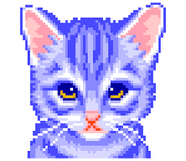 |  |  | Cat Lady

 |  |  |  |  | Pet Store

 |  |  |  |  | Cat Breeder

 |  |  |  |  | Cat Trap

 |  |  |  |  | Ebay

 |  |  |  |  | Factory

 |  |  |  |  | Cloning Facility

 |  | Kitty Counter: |  |  | ?!?!?!

?!?!?! = | The Super Massive Cat Magnet Of Destiny That Flies In An Orbit Around The World (With Lasers (It's Really Reall Big))

